The Covernator
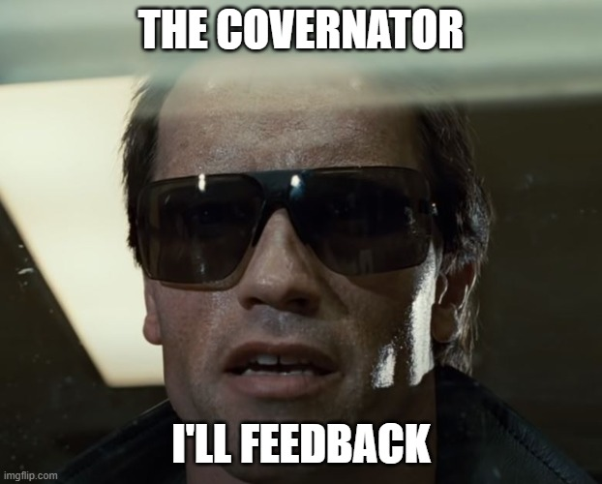
Total number of CASES | 61
Cases not covered in a scenario | 5

Total number of SCENARIOS | 25
Data products | 7
Energy calculations | 11
Wholesale calculations | 7

Total number of RESULTS | 53
energy_calculation | 17
wholesale_calculation | 14
wholesale_results | 8
wholesale_sap | 3
wholesale_settlement_reports | 11
Results without coverage | 11

